Sheet1
 | Document No. |  | Issue No. | Issue Date |  |  |  | Review and Replace Date |  |  | Authorised By
 | GFF269MC |  | 2 | 19.02.2021 |  |  |  | 23.12.2021 |  |  | Magda Shah
 | Document Title |  | Chicken Tikka Bites with Mint Raita 110g
 |  |  |  |  |  |  |  |  |  |  | Magda Shah
Document amendments reason for change | Film Updated |  |  | Page 1 of 1 |  |  | Previous Issue Date |  |  | 19.02.2021 | Uncontrolled copy unless signed original

CCHTKB2-G18TD |  | DBS(JO) |  |  | CHICKEN TIKKA BITES WITH MINT RAITA 110G
STEP 1 |  |  |  |  |  | STEP 2
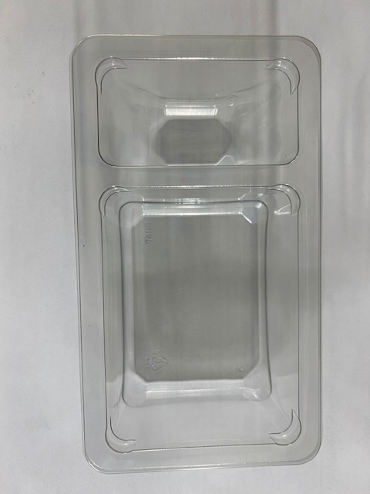 |  |  |  |  |  | 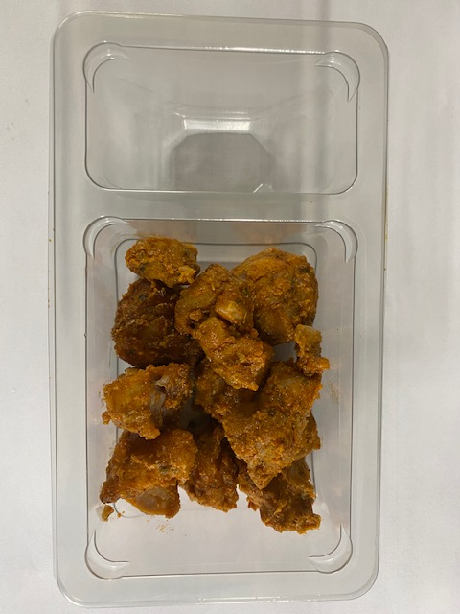
NON-GAS FLASHED PRODUCT

Tray: Duo-Pot Tray (PKLEE001-01) |  |  |  |  |  | Thigh Chicken Tikka (GFF355R): 80g (+ 4g)
Film: K-PEEL 7G+ AF 25 (250mm x 1000)(PKKMP001-01)

STEP 3 |  |  |  |  |  | STEP 4
 |  |  |  |  |  | 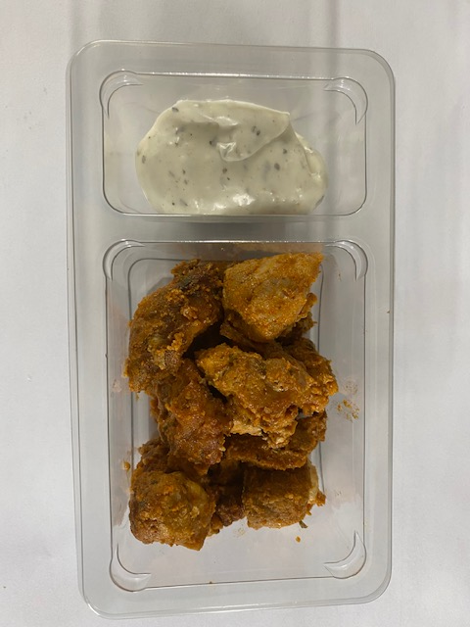
DATE OF COOK (Thigh Chicken)
+
7 DAYS

Yogurt Mint Raita 30% Fat (RMPIQ001-01): 30g |  |  |  |  |  | (+ 2g) |  |  | TOTAL WEIGHT: 110g (+ 6g)

ALLERGY ALERT: EGG, MILK

